Business Analysis
Part 3 — Business Data Analysis (Charts & Interpretations)

Bar Chart 1: Churn Count by Contract Type
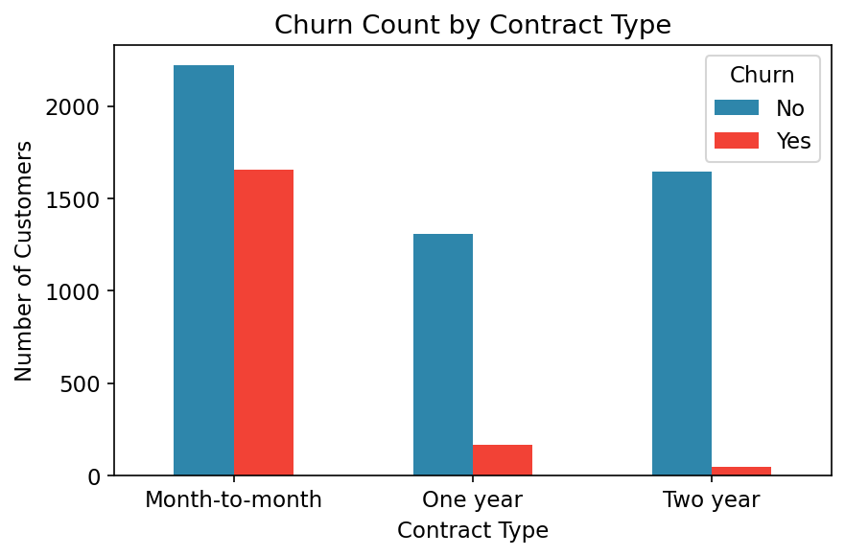

Interpretation:
Month-to-month customers churn far more (42.7%) than one-year (11.3%) or two-year (2.8%) contract holders. Contract length is one of the strongest churn drivers.

Bar Chart 2: Churn Rate by Internet Service
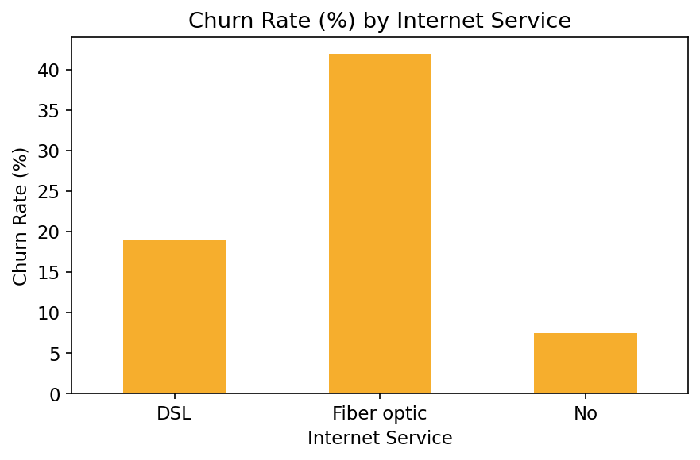

Interpretation:
Fiber optic customers churn at 41.9% versus 19.0% for DSL and 7.4% for customers with no internet service, suggesting fiber pricing or service issues are pushing customers away.

Bar Chart 3: Churn Count by Payment Method
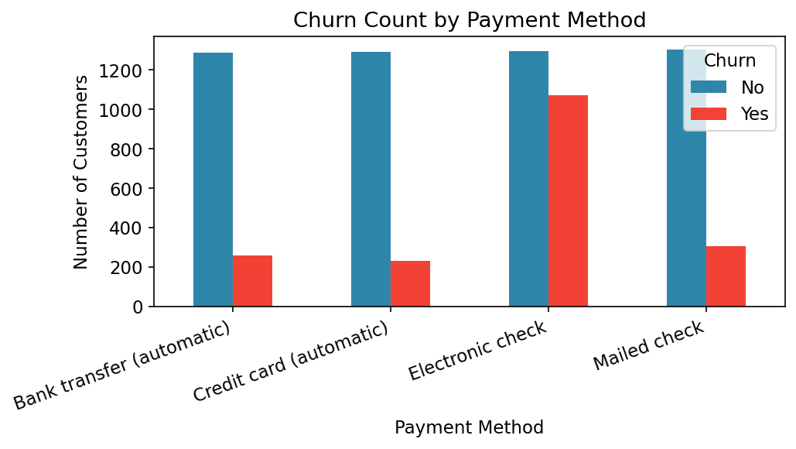

Interpretation:
Electronic check users churn the most (45.3%), more than double the rate of automatic bank transfer (16.7%) or credit card (15.2%) payers. Manual, non-automated payment methods correlate with higher churn.

Pie Chart 1: Overall Churn Distribution
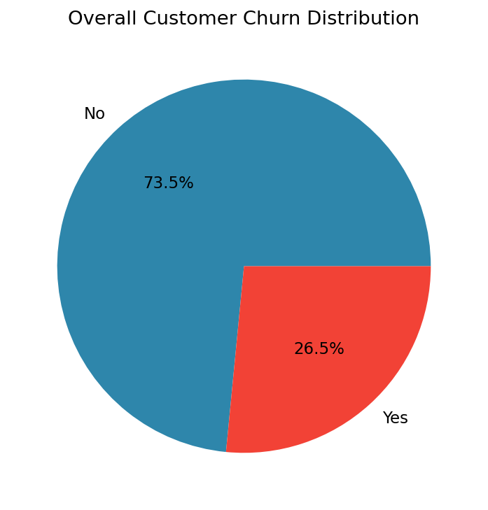

Interpretation:
26.5% of ABC Communications' customer base has churned, meaning roughly 1 in 4 customers are being lost - a significant retention concern.

Pie Chart 2: Customer Base by Gender
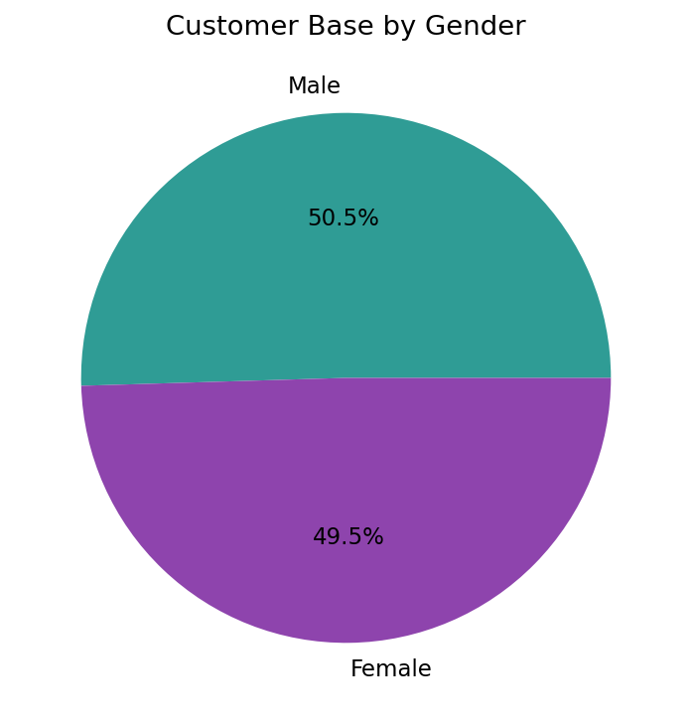

Interpretation:
The customer base is almost evenly split between male and female customers, so gender is not a meaningful segmentation variable for churn strategy.

Histogram 1: Distribution of Customer Tenure
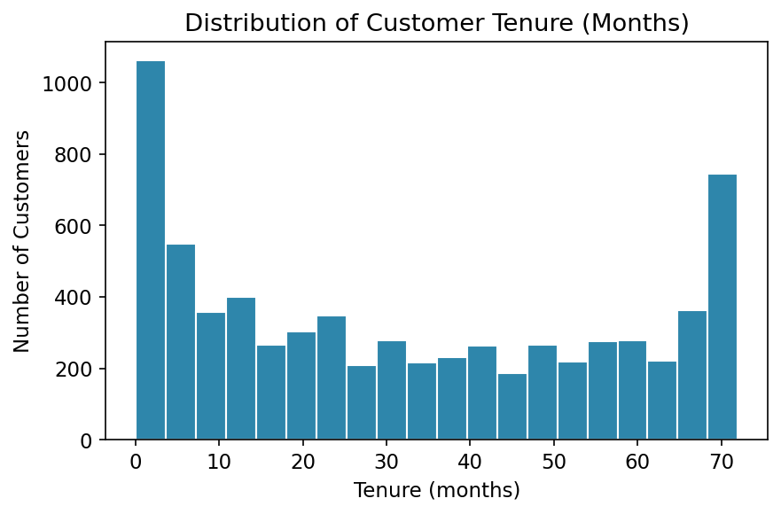

Interpretation:
There is a large spike of customers with very low tenure (0-5 months) and another cluster near 70+ months, indicating a bimodal pattern: many new customers churn early, while loyal long-term customers stay.

Histogram 2: Distribution of Monthly Charges
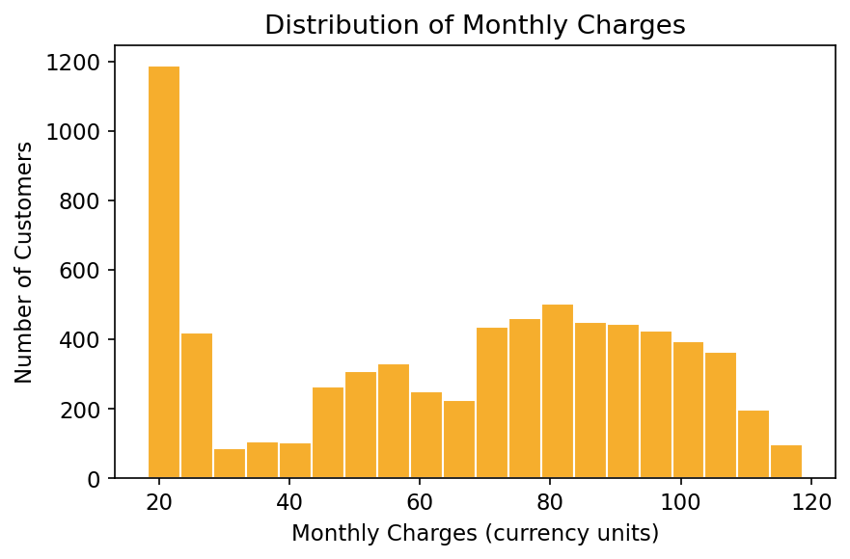

Interpretation:
Monthly charges cluster around the $20 low-cost tier and again in the $70-$100 range (bundled fiber/streaming plans), showing two distinct customer segments by spend.

Box Plot: Monthly Charges by Churn Status
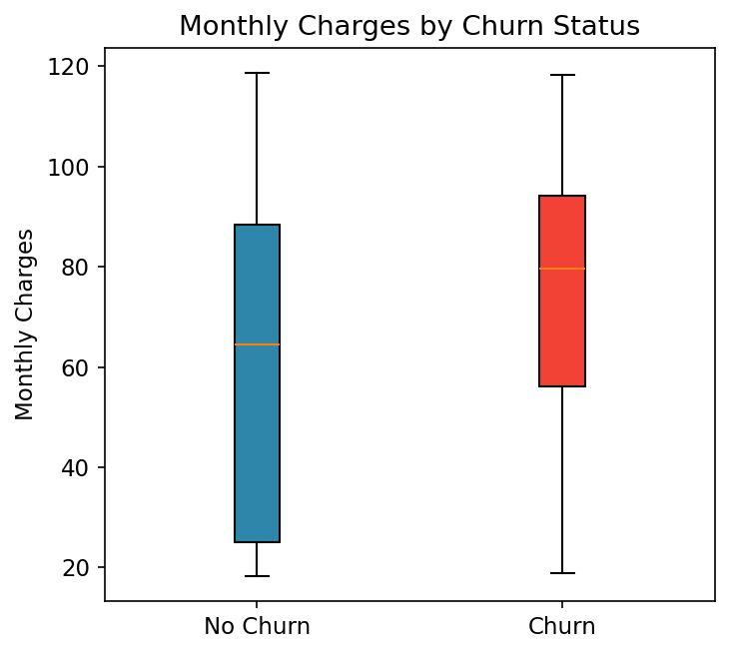

Interpretation:
Churned customers have a noticeably higher median monthly charge (~$79) than retained customers (~$64), reinforcing that higher-priced plans are linked to higher churn risk.

Correlation Heatmap: Numeric Features vs Churn
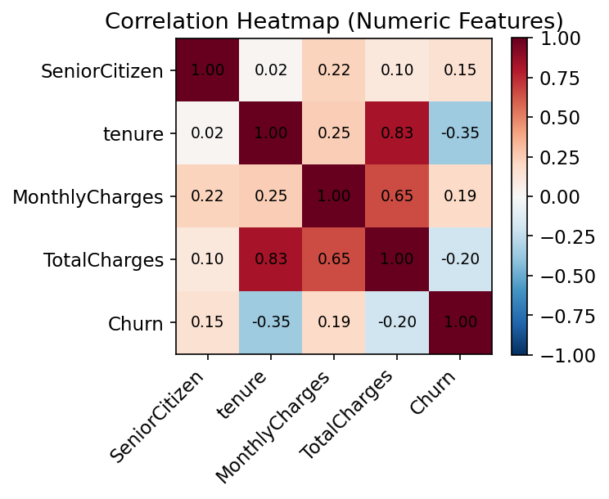

Interpretation:
Tenure has the strongest negative correlation with churn (-0.35, longer tenure = less churn), while MonthlyCharges (+0.19) and SeniorCitizen (+0.15) correlate positively with churn.

